Instructions
TEMPORARY OUT-OF-CLASSIFICATION PAY FORM INSTRUCTIONS

Section 1: Assignment Information

1. Select the appropriate Assignment Type:
a. Out-of-Class Assignment
Non-Represented - A non-represented employee who remains 100% responsible for their current job responsibilities while temporarily assuming additional duties may receive temporary compensation above their current salary.
· The employee remains at their current classification and pay rate and receives the additional compensation as a recurring out-of-class payment (up to 10 percent above their current salary).
· Out-of-class payroll expense is typically charged to the fund center where the vacancy occurs and is covered by the budget of the vacant position via budget transfer. However alternate funding sources may be identified.
b. Interim Appointment
Non-Represented – A non-represented employee, who is temporarily appointed 100% to a position of higher-level work and outside of their regular duties, may receive additional temporary compensation in addition to their current salary.
1. The employee will be moved to a temporary (with benefits) interim position in the fund center where the vacancy has occurred.
2. The employee will remain at their current classification and pay rate and receive additional compensation as a recurring out-of-class payment (equal to the minimum of the higher-grade level or up to 15% above their current salary).
3. Both the interim salary and out-of-class payment will be covered by the budget of the vacant position of the appointment via budget transfer.
Faculty – A faculty employee who is temporarily appointed 100% to a non-represented position of higher-level work may receive additional temporary compensation over their current salary.
· Salaries for faculty in interim non-represented positions are determined by first annualizing their 9-month faculty salary. Next, a determination must be made as to whether the annualized salary falls within the range for the position being filled:

· If the annualized salary is below the minimum of the range, place their salary at that minimum. If they are above the maximum for the range, place them at the maximum.
· If their annualized salary falls within the range for the job, place them at the annualized salary. Additionally, up to 15% may be added to their initial annualized salary as long as their final salary is still within the range.
· The employee will be moved to a temporary interim faculty position (to retain benefits) in the fund center of the vacant position they have been appointed to.
· The employee will remain at their current classification and pay rate and receive the additional compensation as a recurring out-of-class payment. Both the interim salary and out-of-class payment will be covered by the budget of the vacant position of the appointment via budget transfer.

2. Select the appropriate Application Request Type:
a. New - If the employee has not previously filled the role in an interim or out-of-class capacity.
b. Renewal - If the employee has previously filled the roll in an interim or out-of-class capacity which requires an extension

3. Select the appropriate bargaining unit from the dropdown menu:
a. Non-represented
b. APSCUF
Other bargaining units are not available for selection at this time.

4. Enter the name of the employee to receive out-of-class pay.

5. Enter the begin and end dates of the assignment.

Retroactive dates may be entered.

6. Complete the fields listed under the Current Position and the Position being Back Filled sections.
Note: The position being back filled section would only be completed in the case of an interim assignment. If it’s simply an out-of-class assignment, this section should be left blank.

a. Salary Grade fields are dropdown menu selections. For faculty filling an interim Non-Representative assignment, please leave the salary grade under the current position section blank (the salary grade information under the position being back filled section must still be selected).

b. Provide both the SAP and CMS numbers for each section.
c. Provide the current position title and the position being back filled title.
d. Provide the department for both the current position and the position being back filled.
e. Select the fund center from the dropdown menus for both the current position and the position being back filled.

7. Provide information for the Temporary Increase
a. Temporary Increase (Non-Faculty only)
i. Provide the employee’s current annual 26.08 salary.
ii. Provide the % increase the employee is to receive as a result of the assignment.
b. Temporary Increase (Faculty only)
i. Provide the current annual salary (based on their current rank and step).
ii. Provide the proposed interim salary for the assignment.

Guidance on Temporary Out-of-Class Compensation

· Manager interim appointments (where the employee is appointed 100% to a position of higher-level work) are capped at 15% increase above their current salary.

· Manager out-of-class assignments (where employees retain their current duties 100% and are temporarily assigned additional responsibilities) are capped at 10% increase above current salary.

· Faculty Interim Manager (APSCUF) appointments – please refer to the calculation below.

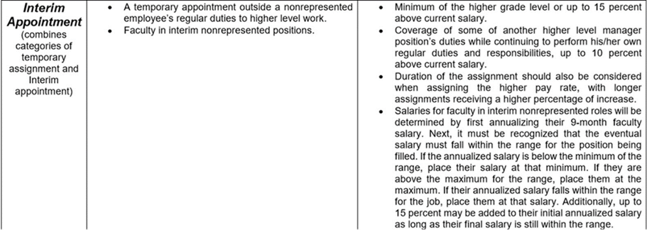

1. Supervisor Approval

Upon completion of Section I, the employee’s immediate supervisor should sign and date the request.

In the case of Interim Assignments, please route the form to the Office of Employee & Labor Relations (send via email to LaborRelations@wcupa.edu). For Out-of-Class Assignments, please route to the divisional Budget Manager so they can complete their review.

Section 2: Office of Employee & Labor Relations
1. This section should be completed by E&LR staff in the case of Interim Assignments only to ensure that the grade level of the assignment and proposed temporary increase are appropriate and within the guidelines established.

2. E&LR staff will check either the Approve or Deny box. In the case of a Deny selection, E&LR staff should add comments explaining the rationale for the Deny decision.

3. Upon completion of the review, E&LR staff should sign/date their section and then forward to the divisional Budget Manager for completion of Section 3.

Section 3: Division Budget Review / Funding Information
1. Provide the SAP position/pool # that will be the source of funding for the request or explain any alternate source of funding in the comments box.

2. Provide the SAP position/pool # that will be funded.

3. Select the appropriate retirement plan from the pulldown menu. This will be used in the benefits calculation shown below. If unsure as to what selection should be made, please reach out to the Budget Office.

4. Select the appropriate Fiscal Year(s) that apply from the pulldown menus. For example, if the out-of-class assignment is crossing two fiscal years, a selection in Year 1 and Year 2 should be made. In the rare instance that the assignment will cross three fiscal years, a selection should be made in Year 3.

5. The Funding Comments section box is for the Budget Manager to include any information pertinent to funding sources (for example, if using operating dollars to fund the out-of-class assignment, this would be the space to state that).
...

